Project3929
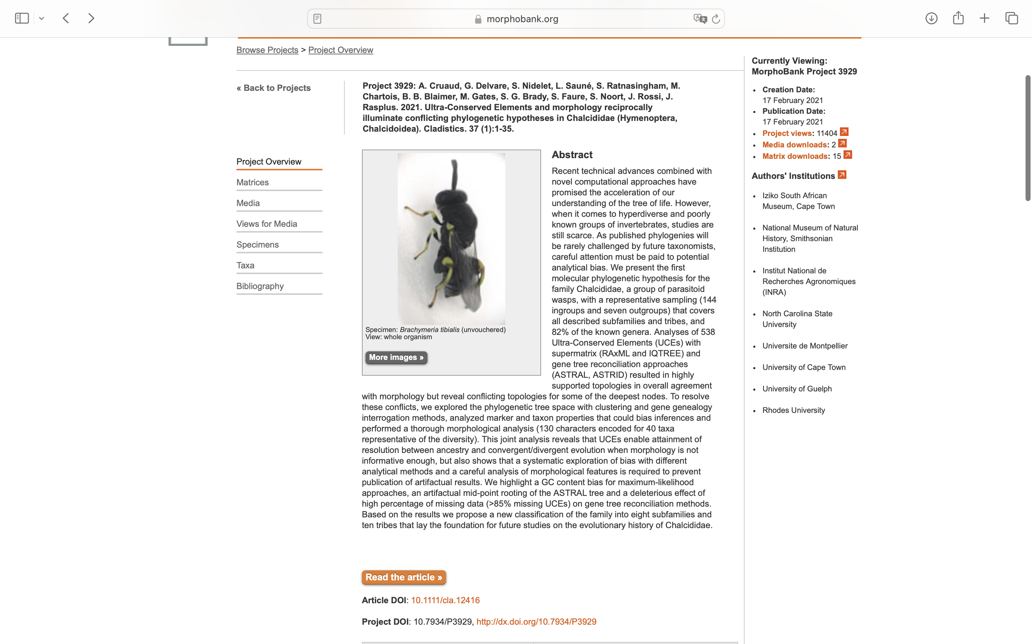
Charlabels | Character Pattern | Unseen States
[1] 'Metallic body color' | Neomorphic | NO
[2] 'Sclerotization of body' | Transformational | YES
[3] 'Relation between labrum and clypeus' | Transformational | YES
[4] 'Structure of labrum' | Transformational | NO
[5] 'Labral setae' | Transformational | YES
[6] 'Mandibular base' | Transformational | YES
[7] 'Mouth margin above mandible' | Transformational | NO
[8] 'Exposed muscle of mandible' | Transformational | YES
[9] 'Number of teeth on left mandible' | Transformational | YES
[10] 'Number of teeth on the right mandible' | Transformational | YES
[11] 'Length of mandibular teeth' | Transformational | NO
[12] 'Orientation of mandibular teeth' | Transformational | YES
[13] 'Channel on posterior surface of mandible' | Neomorphic | NO
[14] 'Delimitation of upper margin of clypeus' | Transformational | YES
[15] 'Lateral clypeal sulcus' | Neomorphic | NO
[16] 'Shape of clypeus' | Transformational | YES
[17] 'Position of toruli relative to oral cavity' | Transformational | YES
[18] 'Anterior tentorial pits' | Neomorphic | NO
[19] 'Malar sulcus' | NT2;0=11;1=12;2=0-
[20] 'Genal carina' | NT?;0=0-;1=11;2=12
[21] 'Subapical genal tooth' | Transformational | YES
[22] 'Frontal lobe below antennal toruli' | Neomorphic | NO
[23] 'Orientation of antennal toruli' | Transformational | NO
[24] 'Separation of toruli' | Transformational | YES
[25] 'Interantennal projection from lateral view' | NT?;0=0-;1=11;2=12
[26] 'Antennal scrobes' | Transformational | YES
[27] 'Frontal horns' | Neomorphic | NO
[28] 'Postoccipital dorsolateral pit for attachment of cervical muscles' | Neomorphic | NO
[29] 'Postgenal groove' | Neomorphic | NO
[30] 'Posterior tentorial pits sulci' | NN;0=10;1=0-;2=11
[31] 'Hypostomal bridge hb' | Neomorphic | NO
[32] 'Level of subforaminal bridge' | Transformational | YES
[33] 'Width of hypostomal bridge relative to occipital foramen of' | Transformational | YES
[34] 'Median strip of ornamentation on hypostomal bridge hb' | Neomorphic | NO
[35] 'Width of median strip of ornamentation mso' | Transformational | YES
[36] 'Shape of hypostomal carina hc' | Transformational | YES
[37] 'Maxillary condyles mc' | Transformational | YES
[38] 'Cardo' | Transformational | YES
[39] 'Orientation of hypostoma and hypostomal bridge relative to subforaminal bridge sfb' | Transformational | YES
[40] 'Length of hypostomal bridge' | Transformational | YES
[41] 'Lateral lamella ll on anterior tentorial arm ata' | Transformational | YES
[42] 'Structure of posterior tentorial arm pta' | Transformational | YES
[43] 'Insertion of dorsal tentorial arm dta' | Transformational | YES
[44] 'ata pta intersection' | Transformational | YES
[45] 'dta pta intersection' | Transformational | YES
[46] 'Position of ata apex relative to surface of hypostomal bridge' | Transformational | YES
[47] 'Pits at dorsal end of ata' | Neomorphic | NO
[48] 'Position of dorsal end of posterior process ppd' | Transformational | YES
[49] 'Pits at dorsal end of posterior process pppd' | Neomorphic | NO
[50] 'Position of ventral end of posterior process ppv' | Transformational | YES
[51] 'Pits at ventral end of posterior process pppv' | Neomorphic | NO
[52] 'Tentorial bridge tb' | Transformational | YES
[53] 'Postoccipital lateral arm pola' | Transformational | YES
[54] 'Number of separate claval segments in female' | Transformational | YES
[55] 'Multiporous plate sensilla mps position relative to antennal surface in female' | Transformational | YES
[56] 'Number of flagellomeres in male' | Transformational | YES
[57] 'Modified long or spatulate hairs on male flagellomeres' | Neomorphic | NO
[58] 'Posterior margin of pronotum' | Transformational | YES
[59] 'Relative position of tegula and humeral plate' | Transformational | NO
[60] 'Tegula position' | Transformational | YES
[61] 'Large setiferous cells on mesoscutum' | Neomorphic | NO
[62] 'Parascutal and axillar carinae' | Transformational | YES
[63] 'Axilla tooth facing projecting anterior inner limit of axillula' | Neomorphic | NO
[64] 'Differentiation of axillula' | Neomorphic | NO
[65] 'Structure of inner margin of axillula' | Neomorphic | NO
[66] 'Frenal area of the mesoscutellum' | Neomorphic | NO
[67] 'Frenum orientation' | Transformational | YES
[68] 'Declination of propodeum dorsal surface lateral view' | Transformational | YES
[69] 'Shape of propodeal spiracle' | Transformational | YES
[70] 'Orientation of propodeal spiracle' | Transformational | YES
[71] 'Setose anterolateral areola on propodeum' | Neomorphic | NO
[72] 'Posteroventral extension of pronotum' | Neomorphic | NO
[73] 'Emargination of pronotum around mesothoracic spiracle' | NT?;0=11;1=0-;2=12
[74] 'Presence and shape of prosternal discrimen' | Neomorphic | NO
[75] 'Prosternum shape' | Transformational | YES
[76] 'Separation between anterior and posterior surface of prosternum' | Transformational | YES
[77] 'Profurcal pit' | Neomorphic | NO
[78] 'Lobes on margin of dorsal plate of profurca' | Neomorphic | NO
[79] 'Ventral plate of profurca' | Transformational | YES
[80] 'Apical stripe of prosternum' | Transformational | NO
[81] 'Ornamentation of ventral belt of prepectus' | Transformational | YES
[82] 'Projection of mesothoracic spiracle' | Transformational | YES
[83] 'Structure of lateral panel of prepectus' | Transformational | NO
[84] 'Size and shape of exposed lateral panel of prepectus' | NT?;0=11;1=12;2=13;3=0-
[85] 'Prepectus relationship to tegula' | Transformational | NO
[86] 'Setation of lateral panel of prepectus' | Transformational | YES
[87] 'Posteroventral margin of prepectus' | Transformational | NO
[88] 'Mesepisternum epicnemium' | Neomorphic | NO
[89] 'Mesothoracic discrimen' | Transformational | YES
[90] 'Position of mesofurcal pit' | Transformational | YES
[91] 'Shape of metepimeron' | Transformational | YES
[92] 'Number of metafurcal pits' | Transformational | YES
[93] 'Inner lamella of metadiscrimen' | Transformational | YES
[94] 'Metepisternal ventral shelf' | NT?;0=0-;1=11;2=12
[95] 'Submedian teeth at posteroventral edge of metepisternal shelf' | Neomorphic | NO
[96] 'Ornamentation between metacoxae' | NT?;0=11;1=12;2=13;3=14;4=0-
[97] 'Carina connecting hind coxal and propodeal foramina' | Neomorphic | NO
[98] 'Number of setae on humeral plate' | Transformational | NO
[99] 'Basal posterior lobe of fore wing' | Neomorphic | NO
[100] 'Apicoventral tuft of setae on costal cell' | Neomorphic | NO
[101] 'Hyaline break on parastigma' | Neomorphic | NO
[102] 'Position of marginal vein relatively to front margin of wing' | Transformational | YES
[103] 'Length of marginal vein of fore wing' | Transformational | YES
[104] 'Length of postmarginal vein of fore wing fw' | Transformational | YES
[105] 'Uncus of stigmal vein of fore wing' | Neomorphic | NO
[106] 'Arrangement of uncal sensilla' | Transformational | YES
[107] 'Location of basal hamulus' | Transformational | YES
[108] 'Shape of first hamulus' | Transformational | YES
[109] 'Line of setation on posterior surface of procoxa' | Neomorphic | NO
[110] 'Apical ornamentation of protibia' | Transformational | YES
[111] 'Pegs at apex of mesotibia' | Neomorphic | NO
[112] 'Shape of metacoxa' | Transformational | NO
[113] 'Shape of metafemur' | Transformational | NO
[114] 'Ventral ornamentation of metafemur' | Transformational | YES
[115] 'Position of basal tooth of metafemur' | Transformational | YES
[116] 'Line of stout bristles on inner surface of metafemur' | Neomorphic | NO
[117] 'Tarsal scrobe on apicodorsal surface of metatibia' | NT2;0=0-;1=11;2=12
[118] 'shape of the apex of metatibia' | Transformational | YES
[119] 'Number of apical spurs on metatibia' | Transformational | YES
[120] 'Ventral carinae of metatibia' | Neomorphic | NO
[121] 'Carina on inner surface of metatibia' | Neomorphic | NO
[122] 'Tarsal claws' | Transformational | YES
[123] 'Spatulate seta on hind tarsal claw' | Neomorphic | NO
[124] 'Basal lamina on petiole' | Neomorphic | NO
[125] 'Insertion of petiole on propodeum' | Transformational | YES
[126] 'Relationship between petiole and propodeum' | Transformational | YES
[127] 'Fusion of petiole with first gastral sternite in females' | Neomorphic | NO
[128] 'Transverse carina in front of cercal plates' | NT?;0=0-;1=11;2=12
[129] 'Relative placement of hypopygium tip' | Transformational | YES
[130] 'Orientation of ovipositor sheaths' | Transformational | YES

